Dairy Prices
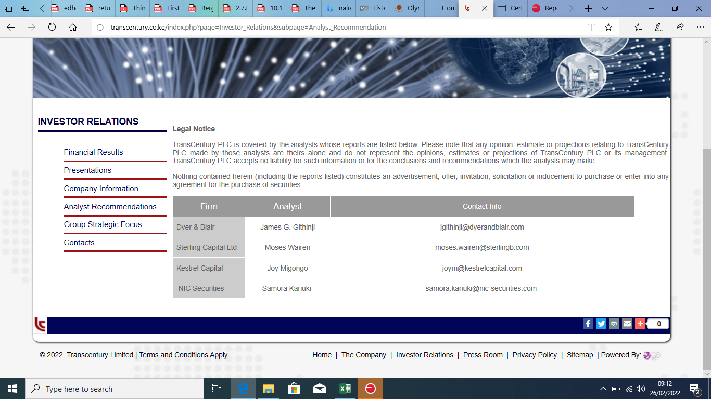
DATE | SBU | UMEME | DFCU | MTNU | BOBU | UCL | NIC | NVL | CIPLA | BATU | news
2022-01-17 | 25 | 189 | 565 | 185 | 95 | 13 | 5.1 | 165 | 92 | 30000
2022-01-18 | 25 | 189 | 565 | 185 | 95 | 13 | 5.1 | 165 | 92 | 30000
2022-01-19 | 26 | 189 | 580 | 183 | 95 | 13 | 5.1 | 165 | 92 | 30000
2022-01-20 | 28 | 189 | 565 | 180 | 95 | 13 | 5.1 | 141 | 92 | 30000
2022-01-21 | 27.99 | 189 | 564 | 180 | 95 | 13 | 5.1 | 114 | 92 | 30000
2022-01-24 | 25 | 189 | 564 | 180 | 95 | 13 | 5.1 | 120 | 92 | 30000
2022-01-25 | 25 | 189 | 564 | 178 | 95 | 13 | 5.1 | 141 | 93.22 | 30000
2022-01-27 | 28 | 189 | 564 | 179 | 95 | 14.9 | 5.1 | 141 | 93.22 | 30000
2022-01-28 | 25 | 189 | 564 | 179 | 95 | 14.9 | 5.1 | 120 | 94 | 30000
2022-01-31 | 28 | 189 | 564 | 178 | 95 | 15 | 5.1 | 103 | 94 | 30000
2022-02-01 | 28 | 189 | 564 | 177 | 95 | 15 | 5.1 | 103 | 94 | 30000
2022-02-02 | 25 | 189 | 564 | 179 | 95 | 15 | 5.1 | 103 | 94 | 30000
2022-02-03 | 25 | 189 | 555 | 177 | 95 | 15 | 5.1 | 103 | 94 | 30000
2022-02-04 | 27.5 | 180 | 555 | 184 | 95 | 15 | 5.1 | 103 | 94 | 30000
2022-02-07 | 28 | 189 | 564 | 185 | 95 | 15 | 5.1 | 90 | 94 | 30000
2022-02-08 | 25 | 182 | 555 | 187 | 95 | 19 | 5.1 | 77 | 94 | 30000
2022-02-09 | 27 | 189 | 555 | 165 | 95 | 21 | 5.1 | 66 | 94 | 30000
2022-02-10 | 27 | 188 | 564 | 165 | 95 | 24 | 5.1 | 57 | 95 | 30000
2022-02-11 | 27 | 189 | 564 | 165 | 94 | 24 | 5.1 | 57 | 94 | 30000
2022-02-14 | 28 | 189 | 564 | 164 | 94 | 24 | 5.1 | 57 | 94 | 30000
2022-02-15 | 28 | 180 | 564 | 164 | 90 | 24 | 5.1 | 57 | 94 | 30000
2022-02-17 | 26 | 189 | 564 | 160 | 90 | 24 | 5.1 | 57 | 94 | 30000
2022-02-18 | 26 | 180 | 564 | 160.28 | 90 | 24 | 5.1 | 57 | 94 | 30000
2022-02-21 | 26 | 180 | 564 | 165 | 90 | 24 | 5.1 | 57 | 94 | 30000
2022-02-22 | 26 | 170 | 564 | 165 | 90 | 24 | 5.1 | 160 | 94 | 30000
2022-02-23 | 26 | 180 | 564 | 165 | 90 | 24 | 5.1 | 160 | 94 | 30000
2022-02-24 | 26 | 170 | 564 | 180 | 90 | 24 | 5.1 | 160 | 94 | 30000
2022-02-25 | 25 | 179 | 564 | 180 | 90 | 22 | 5.1 | 160 | 93 | 30000
2022-02-28 | 25 | 170 | 564 | 180 | 90 | 24 | 5.1 | 160 | 93 | 15000
2022-03-01 | 25 | 180 | 564 | 180 | 90 | 23 | 5.1 | 160 | 93 | 15000
2022-03-02 | 26 | 180 | 564 | 180 | 90 | 24 | 5.1 | 160 | 93 | 15000
2022-03-03 | 26 | 180 | 564 | 180 | 90 | 23 | 5.1 | 160 | 93 | 15000
2022-03-04 | 26.23 | 170 | 564 | 180 | 90 | 24 | 5.1 | 160 | 93 | 15000
2022-03-07 | 26 | 170 | 564 | 180 | 90 | 24 | 5.1 | 160 | 93 | 15000
2022-03-08 | 26 | 180 | 564 | 180 | 90 | 23 | 5.1 | 160 | 93 | 15000
2022-03-09 | 26 | 180 | 564 | 180 | 90 | 23 | 5.1 | 160 | 93 | 15000
2022-03-10 | 26 | 175 | 564 | 180 | 90 | 22 | 5.1 | 160 | 93 | 15000
2022-03-11 | 26 | 170 | 564 | 180 | 90 | 22 | 5.1 | 160 | 93 | 15000
2022-03-14 | 26.5 | 175 | 564 | 180 | 90 | 22 | 5.1 | 160 | 93 | 15000
2022-03-15 | 26 | 170.14 | 555 | 180 | 90 | 22 | 5.1 | 160 | 93 | 15000
2022-03-16 | 26 | 170 | 555 | 180 | 90 | 22 | 5.8 | 160 | 93 | 15000
2022-03-17 | 26 | 175 | 555 | 180 | 90 | 22 | 5.8 | 160 | 93 | 15000
2022-03-18 | 26 | 175 | 555 | 180 | 90 | 22 | 5.8 | 160 | 93 | 15000
2022-03-21 | 26 | 175 | 555 | 180 | 90 | 22 | 5.8 | 160 | 93 | 15000
2022-03-22 | 26 | 170 | 555 | 180 | 90 | 23 | 5.8 | 160 | 93 | 15000
2022-03-23 | 26 | 170 | 555 | 180 | 90 | 23 | 5.8 | 160 | 93 | 15000
2022-03-24 | 26 | 170 | 555 | 180 | 90 | 23 | 5.8 | 160 | 93 | 15000
2022-03-25 | 26 | 175 | 555 | 180 | 90 | 23 | 5.8 | 160 | 93 | 15000
2022-03-28 | 26 | 175 | 564 | 180 | 90 | 21 | 5.8 | 160 | 93 | 15000 | umeme proposed div 54.1
2022-03-29 | 26 | 185 | 564 | 180 | 90 | 21 | 5.8 | 160 | 93 | 15000
2022-03-30 | 25 | 190 | 564 | 180 | 90 | 21 | 5.8 | 160 | 93 | 15000
2022-03-31 | 25 | 185 | 564 | 180 | 90 | 21 | 5.8 | 160 | 93 | 15000
2022-04-01 | 25 | 185 | 564 | 180 | 90 | 21 | 5.9 | 160 | 93 | 15000
2022-04-02 | 24.7 | 230 | 564 | 180 | 90 | 21 | 5.9 | 160 | 89 | 15000
2022-04-06 | 25 | 215 | 564 | 189 | 90 | 21 | 5.9 | 160 | 90 | 15000
2022-04-07 | 25 | 215 | 564 | 190 | 90 | 21 | 5.9 | 160 | 90 | 15000
2022-04-11 | 25 | 215 | 564 | 180 | 90 | 21 | 5.9 | 160 | 90 | 15000
2022-04-12 | 25 | 230 | 564 | 185 | 90 | 21 | 5.9 | 160 | 90 | 15000
2022-04-13 | 25 | 230 | 564 | 185 | 90 | 21 | 5.9 | 160 | 90 | 15000
2022-04-14 | 25 | 231 | 564 | 195 | 90 | 21 | 5.9 | 160 | 90 | 15000 | house passes electricity bill ending umeme monopoly
2022-04-19 | 25 | 231 | 564 | 195 | 90 | 21 | 5.9 | 160 | 90 | 15000
2022-04-20 | 25 | 232 | 564 | 185 | 90 | 21 | 5.9 | 160 | 90 | 15000
2022-04-21 | 25 | 240 | 564 | 185 | 90 | 21 | 5.9 | 160 | 90 | 15000
2022-04-22 | 25 | 240 | 555 | 185 | 90 | 22 | 5.9 | 160 | 90 | 15000
2022-04-25 | 25 | 240 | 555 | 185 | 85 | 21 | 5.9 | 160 | 90 | 15000
2022-04-26 | 25 | 240 | 555 | 185 | 85 | 21 | 5.9 | 155 | 88 | 15000
2022-04-27 | 25 | 245 | 555 | 185 | 80 | 21 | 5.9 | 154 | 88 | 15000
2022-04-28 | 25 | 244 | 555 | 185 | 80 | 21 | 5.9 | 154 | 88 | 15000
2022-04-29 | 25 | 244 | 555 | 190 | 80 | 21 | 5.9 | 154 | 88 | 15000
2022-05-03 | 25 | 240 | 555 | 180 | 80 | 21 | 5.9 | 154 | 88 | 15000
2022-05-04 | 25 | 240 | 555 | 185 | 72 | 21 | 5.9 | 160 | 88 | 15000

